Sheet1
 | models | input voltage range | output voltage range | flow output | power | size | efficiency | highlight | drawing | photo
CRPS series AC-DC | CRPS2361A | 90VAC~264VAC/180VDC~300VDC | 12V,+12Vsb | 28A | 360W | L185.0×W73.5× H40.0 | gold | "• Support black box write data • Support PMBus 1.2 * Active PFC Power Factor Correction * Intel standard CRPS dimensions • Support FRU write data (embedded EEPROM) • Support N+N/N+1 redundancy • Support cold backup (live data sharing/online standby switching) • Support FW online update • Support reverse heat dissipation (independent model)" |  | 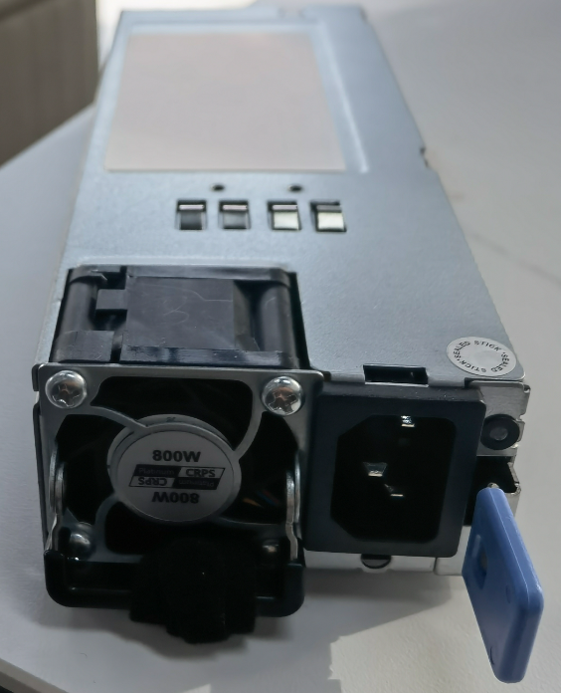
 | CRPS550NZ | 90VAC~264VAC/180VDC~300VDC | 12V,+12Vsb | 45A | 550W | L185.0×W73.5× H40.0 | Platinum
 | CRPS800BZ | 90VAC~264VAC/180VDC~300VDC | 12V,+12Vsb | 65A | 800W | L185.0×W73.5× H40.0 | Platinum
 | CRPS800NC | 90VAC~264VAC/180VDC~300VDC | 12.2V | 65A | 800W | L185.0×W73.5× H40.0 | Platinum+
 | CRPS1300AZ | 90VAC~264VAC/180VDC~300VDC | 12V,+12Vsb | 106.5A | 1300W | L185.0×W73.5× H40.0 | Platinum
 | CRPS1600AZ | 90VAC~264VAC/180VDC~300VDC | 12V,+12Vsb | 132A | 1600W | L185.0×W73.5× H40.0 | Platinum
 | CRPS2000AZ | 90VAC~264VAC/180VDC~300VDC | 12V,+12Vsb | 164A | 2000W | L185.0×W73.5× H40.0 | Platinum+
 | CRPS2700A | 90VAC~264VAC/180VDC~320VDC | 54V,+12Vsb | 221A | 3000W | L185.0×W73.5× H40.0 | Platinum+/ Titanium
 | CRPS3200A | 90VAC~264VAC/180VDC~320VDC | 54V,+12Vsb | 262.3A | 3500W | L185.0×W73.5× H40.0 | Titanium
CRPS AC-DC with china chip | CRPS550DZ | 90Vac~264Vac/180Vdc~300Vdc | 12V,+12Vsb | 45A | 550W | L185.0×W73.5× H40.0 | Platinum
 | CRPS800DZ | 90Vac~264Vac/180Vdc~300Vdc | 12V,+12Vsb | 65A | 800W | L185.0×W73.5× H40.0 | Platinum
 | CRPS1300DZ | 90Vac~264Vac/180Vdc~300Vdc | 12V,+12Vsb | 106.5A | 1300W | L185.0×W73.5× H40.0 | Platinum
 | CRPS1600DZ | 90Vac~264Vac/180Vdc~300Vdc | 12V,+12Vsb | 132A | 1600W | L185.0×W73.5× H40.0 | Platinum
CRPS DC-DC | CRPSD550NZ | 36V~75V | 12V,+12Vsb | 45A | 550W | L185.0×W73.5× H40.0 | Platinum | • Efficiency up to 92% • Low ripple and output noise、 • High reliability * Input overvoltage protection • Output overvoltage protection
 | CRPSD800BZ | 36V~75V | 12V,+12Vsb | 65A | 800W | L185.0×W73.5× H40.0 | Platinum
 | CRPSD1300AZ | 36V~75V | 12V,+12Vsb | 106.5A | 1300W | L185.0×W73.5× H40.0 | Platinum
CRPSH series | CRPSH3080 |  | 12V/3.3V/5V/5Vsb/-12V |  | 800W | 225x77.5x83.8 |  | • Cable specifications can be customized • High conversion efficiency * Input undervoltage protection • Overcurrent and short circuit protection • Overheating protection • Input and output isolation • Metal bottom plate, fully enclosed housing | 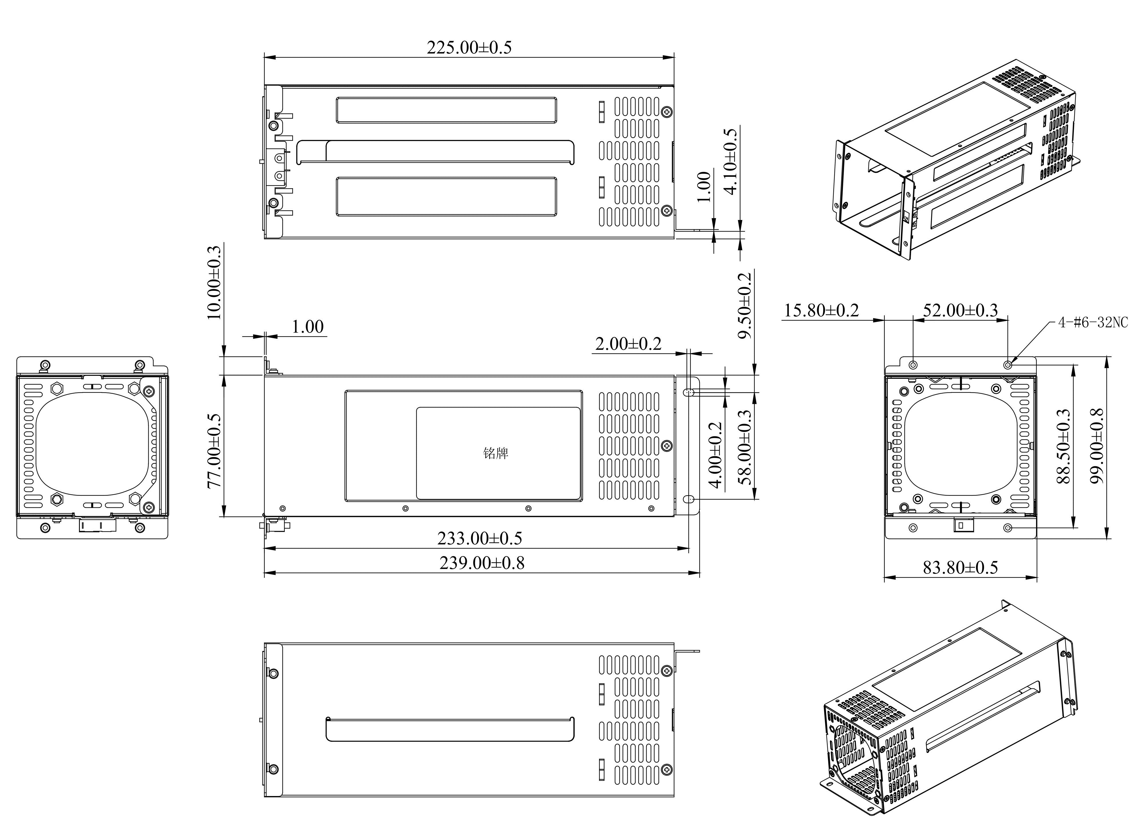
 | CRPSH1200A |  | 12V/3.3V/5V/5Vsb/-12V |  | 1200W | 225x77.5x83.8
 | CRPSH1600A |  | 12V/3.3V/5V/5Vsb/-12V |  | 1600W | 225x77.5x83.8
 | CRPSH2000A |  | 12V/3.3V/5V/5Vsb/-12V |  | 2000W | 225x77.5x83.8
SLIM series | SLIMG2151A | 100-240Vac | 12V,+12Vsb |  | 150W | L164.5×W50.5×H40mm |  | Active Power Factor Correction •Support 1+1/N+1 redundancy •Input signal 90-264VAC •Efficiency more than 88% *EMC complies with EN55032 ClassB
 | SLIMG2151A | 100-240Vac | 12V,+12Vsb |  | 200W | L164.5×W50.5×H40mm
 | SLIM200A | 100-240Vac | 12V,+12Vsb |  | 200W | 195x50.5x40 |  | • Cable specifications can be customized •Conversion efficiency *Input undervoltage protection •Overcurrent and short circuit protection •Overheating protection •Input and output isolation •Integrated PCB mounting •Metal bottom plate, fully enclosed housing |  | 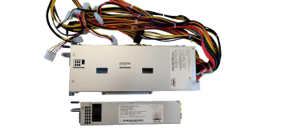
 | SLIM300A | 100-240Vac | 12V,+12Vsb |  | 300W | 195x50.5x40
 | SLIM450A | 100-240Vac | 12V,+12Vsb |  | 450W | 220x50.0x40
 | SLIM650A | 100-240Vac | 12V,+12Vsb |  | 650W | 220x50.0x40
 | SLIM1200A | 100-240Vac | 12V,+12Vsb |  | 1200W | 321x54.5x40
 | SLIM1300A | 100-240Vac | 12V,+12Vsb |  | 1300W | 321x54.5x40
 | SLIM1600A | 100-240Vac | 12V,+12Vsb |  | 1600W | 360x50.0x40
 | SLIM2000A | 100-240Vac | 12V,+13Vsb |  | 2000W | 360x54.5x40
ATX series | ATXG5251A | 100-240Vac | 12V/3.3V/5V/5Vsb/-12V |  | 250W | 150x140x86 | 90+ | 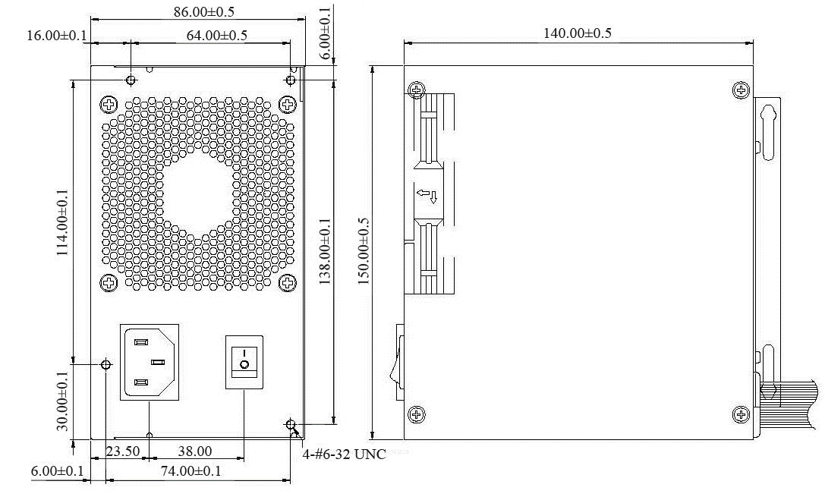 Active Power Factor Correction •Intelligent Fan Speed ​​Control •Environmental Standard: RoHS •EMI/RFI: CISPR22; CLASS B •Protection: OVP, OCP, OTP, SCP •Safety: CCC •Cable Specifications on request |  | 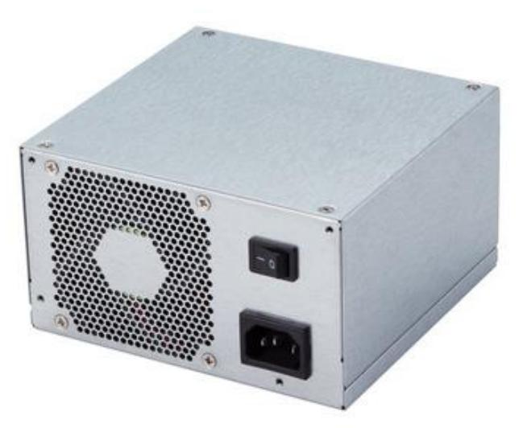
 | ATXG5401A | 100-240Vac | 12V/3.3V/5V/5Vsb/-12V |  | 400W | 150x140x86 | 90+
 | ATXG5501A | 100-240Vac | 12V/3.3V/5V/5Vsb/-12V |  | 500W | 150x140x86 | 90+
 | ATXG5601A | 100-240Vac | 12V/3.3V/5V/5Vsb/-12V |  | 600W | 150x140x86 | 90+
 | ATXG5701A | 100-240Vac | 12V/3.3V/5V/5Vsb/-12V |  | 700W | 150x140x86 | 90+
TFX series | TFXH5181A | 180-264Vac | 12V/3.3V/5V/5Vsb/-12V |  | 180W | 175.5x85x65 | 75+ | •80PLUSBronze •Active Power Factor Correction •Intelligent Fan Speed ​​Control •Environmental Standards: RoHS, WEEE, REACH •Application: Industrial •EMI/RFI: CISPR22; CLASS B •Protection: OVP, OCP, OTP, SCP •Safety: CCC, FCC, UL, CUL, CE, BSMI, CB, EMC |  | 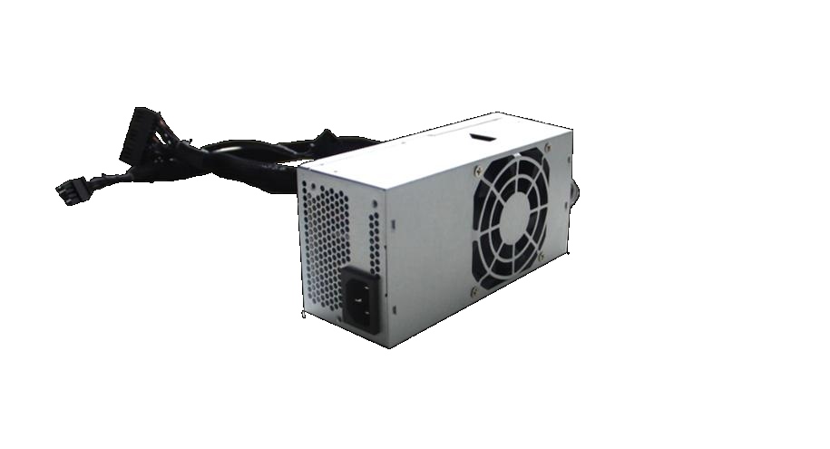
 | TFXB2181A | 180-264Vac | 12V/5Vsb |  | 180W | 150x85x65 | 85+
 | TFXH5201A | 180-264Vac | 12V/3.3V/5V/5Vsb/-12V |  | 200W | 175.5x85x65 | 75+
 | TFXB2201A | 180-264Vac | 12V/5Vsb |  | 200W | 150x85x65 | 85+
 | TFXH5251A | 180-264Vac | 12V/3.3V/5V/5Vsb/-12V |  | 250W | 175.5x85x65 | 75+
 | TFXG5251B | 180-264Vac | 12V/3.3V/5V/5Vsb/-12V |  | 250W | 175.5x85x65 | 90+
 | TFXB2261A | 180-264Vac | 12V/5Vsb |  | 260W | 150x85x65 | 85+
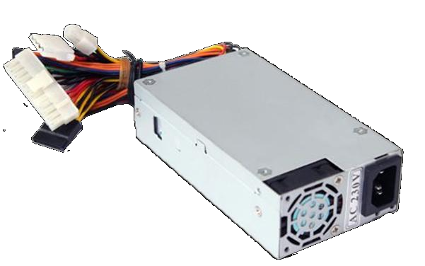
 | TFXB2301A | 180-264Vac | 12V/5Vsb |  | 300W | 150x85x65 | 85+
FLEX series | FLEXG5250A | 100-240Vac. | 12V/3.3V/5V/5Vsb/-12V |  | 250W | 150x81.5x40.5 | 90+ | • Wide input range • Conversion efficiency * Input undervoltage protection • Overcurrent and short circuit protection • Overtemperature protection • Input and output isolation • Integrated PCB mounting • Metal bottom plate, fully enclosed case
 | FLEXG5400A | 100-240Vac. | 12V/3.3V/5V/5Vsb/-12V |  | 400W | 150x81.5x40.5 | 90+
 | FLEXG5500A | 100-240Vac. | 12V/3.3V/5V/5Vsb/-12V |  | 500W | 150x81.5x40.5 | 90+
 | FLEXG5600A | 180-264Vac | 12V/3.3V/5V/5Vsb/-12V |  | 600W | 150x81.5x40.5 | 90+
 | FLEXG5700A | 180-264Vac | 12V/3.3V/5V/5Vsb/-12V |  | 700W | 150x81.5x40.5 | 90+
DC-DC brick | ZYDF600H-110S** | 43~160VDC | 12~48V |  | 600W | brick | 90% | Wide input range High conversion efficiency Input undervoltage protection Overcurrent, short circuit protection Overheating protection Input and output isolation Integrated PCB installation Metal bottom plate, fully enclosed body Remote control and remote compensation, output voltage regulation
 | ZYDF1200H-280S12 | 240~280VDC | 12V |  | 1200W | brick | 93.50%
 | ZYDF1300H-48S28 | 36~75VDC | 28V |  | 1300W | brick | 95%
 | ZYDF1500-280S12 | 240~280VDC | 12V |  | 1500W | brick | 94%
 | ZYDF2000H-540S28 | 400~800VDC | 28V |  | 2000W | brick | 96%
DC-DC F series（brick） | ZYDF600-110S24 | 66-160Vdc | 24V |  | 600W | brick | 91% | • Wide input signal range •High conversion efficiency *Input undervoltage protection •Overcurrent and short circuit protection •Overheating protection •Input and output isolation •Integrated PCB mounting •Metal bottom plate, fully enclosed housing
 | ZYDF600-110S28 | 66-160Vdc | 28V |  | 600W | brick | 91%
 | ZYDF600-110S36 | 66-160Vdc | 36V |  | 600W | brick | 91%
 | ZYDF600-110S48 | 66-160Vdc | 48V |  | 600W | brick | 92%
 | ZYDF1200-280S12 | 200-425Vdc | 12V |  | 1200W | brick | 95% |  | 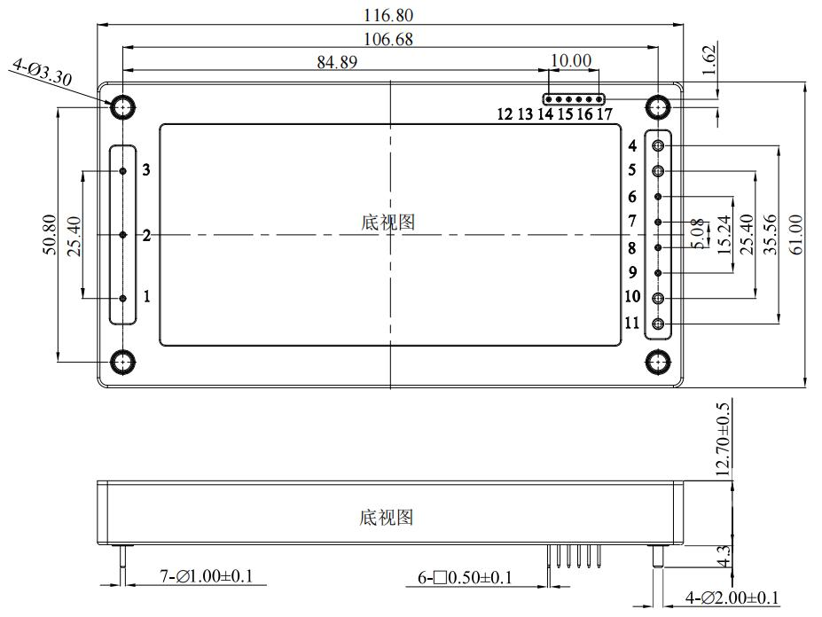
 | ZYDF1200-280S28 | 200-425Vdc | 28V |  | 1200W | brick | 95%
 | ZYDF1300-48S28 | 36-75Vdc | 28V |  | 1300W | brick | 95%
 | ZYDF1300-48S50 | 36-75Vdc | 50V |  | 1300W | brick | 95%
 | ZYDF1500-280S12 | 200-425Vdc | 12V |  | 1500W | brick | 95%
 | ZYDF1500-280S28 | 200-425Vdc | 28V |  | 1500W | brick | 95%
 | ZYDF2000-540S28 | 400-800Vdc | 28V |  | 2000W | brick | 95%
DC-DC H series （1/2 brick） | ZYDH1300H-48S** | 36~75VDC | 28~50V |  | 1300W | 1/2brick | 95% | • Wide input signal range •High conversion efficiency *Input undervoltage protection •Overcurrent and short circuit protection •Overheating protection •Input and output isolation •Integrated PCB mounting •Metal bottom plate, fully enclosed housing | 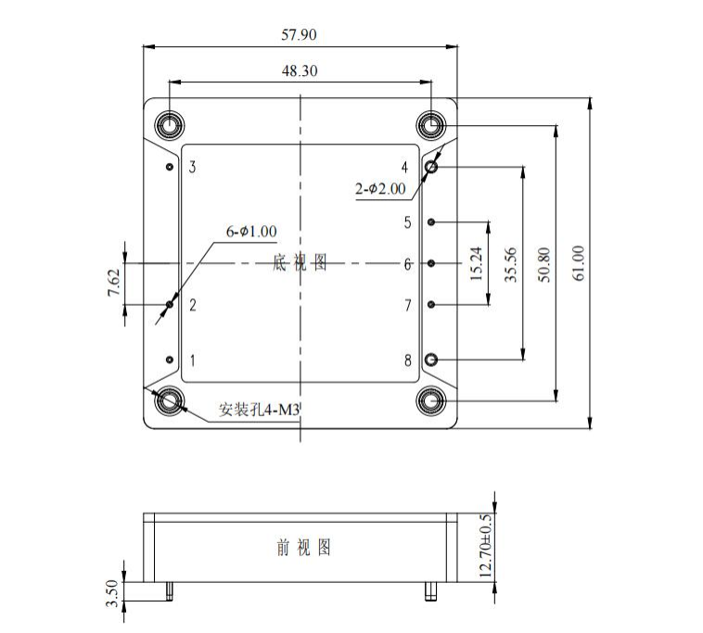 | 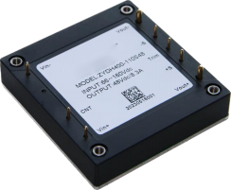
 | ZYDH1500H-48S50 | 36~75VDC | 50V |  | 1500W | 1/2brick | 95%
 | ZYDH75-24S12 | 18-36Vdc | 12V |  | 75W | 1/2brick | 89%
 | ZYDH100-24S05 | 18-36Vdc | 5V |  | 100W | 1/2brick | 89%
 | ZYDH200-110S05 | 43-160Vdc | 5V |  | 200W | 1/2brick | 89%
 | ZYDH300-24S12 | 18-36Vdc | 12V |  | 300W | 1/2brick | 89%
 | ZYDH300-24S15 | 18-36Vdc | 15V |  | 300W | 1/2brick | 89%
 | ZYDH300-24S24 | 18-36Vdc | 24V |  | 300W | 1/2brick | 89%
 | ZYDH300-24S28 | 18-36Vdc | 28V |  | 300W | 1/2brick | 89%
 | ZYDH300-24S48 | 18-36Vdc | 48V |  | 300W | 1/2brick | 89%
 | ZYDH300-48S48 | 36-75Vdc | 48V |  | 300W | 1/2brick | 89%
 | ZYDH300-110S12 | 43-160Vdc | 12V |  | 300W | 1/2brick | 89%
 | ZYDH300-110S14 | 43-160Vdc | 14V |  | 300W | 1/2brick | 89%
 | ZYDH300-110S15 | 43-160Vdc | 15V |  | 300W | 1/2brick | 89%
 | ZYDH300-110S24 | 43-160Vdc | 24V |  | 300W | 1/2brick | 89%
 | ZYDH300-110S24C | 43-160Vdc | 24V |  | 300W | 1/2brick | 89%
 | ZYDH300-110S36 | 43-160Vdc | 36V |  | 300W | 1/2brick | 89%
 | ZYDH300-280S28C | 185-400Vdc | 28V |  | 300W | 1/2brick | 91%
 | ZYDH300-280S48C | 185-400Vdc | 48V |  | 300W | 1/2brick | 91%
 | ZYDH350-48S28 | 36-75Vdc | 28V |  | 350W | 1/2brick | 91%
 | ZYDH350-24S48 | 18-36Vdc | 48V |  | 350W | 1/2brick | 91%
 | ZYDH400-110S48 | 66-160Vdc | 48V |  | 400W | 1/2brick | 91%
 | ZYDH1000-48S28 | 36-75Vdc | 28V |  | 1000W | 1/2brick | 95%
 | ZYDH1000-48S48 | 36-75Vdc | 48V |  | 1000W | 1/2brick | 95%
 | ZYDH1000-270S12 | 200-425Vdc | 12V |  | 1000W | 1/2brick | 95%
 | ZYDH1000-270S28 | 200-425Vdc | 28V |  | 1000W | 1/2brick | 95%
 | ZYDH1200-540S12 | 400-800Vdc | 12V |  | 1200W | 1/2brick | 95%
 | ZYDH1200-540S28 | 400-800Vdc | 28V |  | 1200W | 1/2brick | 95%
DC-DC 1/4brick series Q | ZYDQ50-110S12 | 43-160V | 12V |  | 50W | 1/4brick | 92% | • Wide input signal range •High conversion efficiency *Input undervoltage protection •Overcurrent and short circuit protection •Overheating protection •Input and output isolation •Integrated PCB mounting •Metal bottom plate, fully enclosed housing | 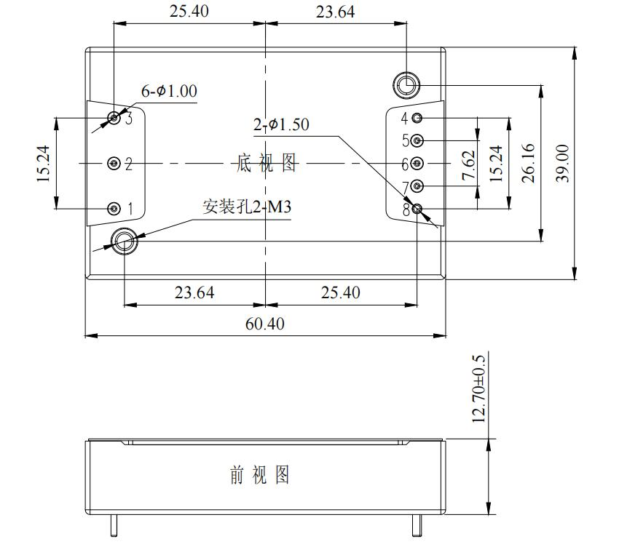 | 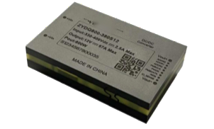 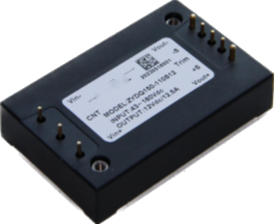
 | ZYDQ60-110S12 | 18-160V | 12V |  | 60W | 1/4brick | 92%
 | ZYDQ75-110S05 | 43-160V | 5V |  | 75W | 1/4brick | 92%
 | ZYDQ100-110S05 | 36-75V | 5V |  | 100W | 1/4brick | 92%
 | ZYDQ100-110S12 | 43-160V | 12V |  | 100W | 1/4brick | 92%
 | ZYDQ100-48S96 | 43-160V | 96V |  | 100W | 1/4brick | 92%
 | ZYDQ120-24S12 | 9-36V | 12V |  | 120W | 1/4brick | 92%
 | ZYDQ150-24S15 | 18-36V | 15V |  | 150W | 1/4brick | 92%
 | ZYDQ150-24S19 | 18-36V | 19V |  | 150W | 1/4brick | 92%
 | ZYDQ150-24S24 | 18-36V | 24V |  | 150W | 1/4brick | 92%
 | ZYDQ150-24S28 | 18-36V | 28V |  | 150W | 1/4brick | 92%
 | ZYDQ150-24S36 | 9-36V | 36V |  | 150W | 1/4brick | 92%
 | ZYDQ150-24S48 | 9-36V | 48V |  | 150W | 1/4brick | 92%
 | ZYDQ150-48S12 | 36-75V | 12V |  | 150W | 1/4brick | 92%
 | ZYDQ150-48S28 | 36-75V | 28V |  | 150W | 1/4brick | 92%
 | YDQ150-110S12 | 43-160V | 12V |  | 150W | 1/4brick | 92%
 | ZYDQ150-110S15 | 43-160V | 15V |  | 150W | 1/4brick | 92%
 | ZYDQ150-110S24T | 43-160V | 24V |  | 150W | 1/4brick | 92%
 | ZYDQ150-110S36 | 43-160V | 36V |  | 150W | 1/4brick | 92%
 | ZYDQ150-110S48 | 43-160V | 48V |  | 150W | 1/4brick | 92%
 | ZYDQ150-110S110 | 43-160V | 110V |  | 150W | 1/4brick | 92%
 | ZYDQ225-48S15 | 36-75V | 15V |  | 225W | 1/4brick | 92%
 | ZYDQ600-48S12 | 36-75Vdc | 12V |  | 600W | 1/4brick | 95%
 | ZYDQ700-48S28 | 36-75Vdc | 28V |  | 700W | 1/4brick | 95%
 | ZYDQ750-380S12 | 330-400Vdc | 12V |  | 750W | 1/4brick | 95%
 | ZYDQ800-380S12 | 330-400Vdc | 12V |  | 800W | 1/4brick | 95%
 | ZYDQ1000-48S12 | 40-60Vdc | 12V |  | 1000W | 1/4brick | 95%
 | ZYDQ1300-54S12 | 40-60Vdc | 12V |  | 1300W | 1/4brick | 95%
 | ZYDQ1500-54S12 | 40-60Vdc | 12V |  | 1500W | 1/4brick | 95%
 | ZYDQ1600-54S12 | 40-60Vdc | 12V |  | 1600W | 1/4brick | 95%
 | ZYDQ200-110S24 | 43~160VDC | 24V |  | 200W | 1/4brick | 90%
 | ZYDQ200-280S** | 180~425VDC | 12~15V |  | 200W | 1/4brick | 90%
 | ZYDQ250-280S** | 180~425VDC | 15~24V |  | 250W | 1/4brick | 91%
 | ZYDQ750-54S12 | 36~75VDC | 12V |  | 750W | 1/4brick | 96.20%
 | ZYDQ1200-380S12 | 360~400VDC | 12V |  | 1200W | 1/4brick | 97.10%
 | ZYDQ2000-380S48 | 340~400VDC | 42.5~50V |  | 2000W | 1/4brick | 97.30%
DC-DC 1/8brick series | ZYDE120-48S12 | 36-75Vdc | 12V |  | 120W | 1/8brick | 93.00% | • Wide input voltage range: high conversion efficiency of 2:1 •Input undervoltage protection •Overcurrent and short circuit protection •Overtemperature protection •Input and output isolation •Integrated PCB mounting •Metal bottom plate, fully enclosed housing | 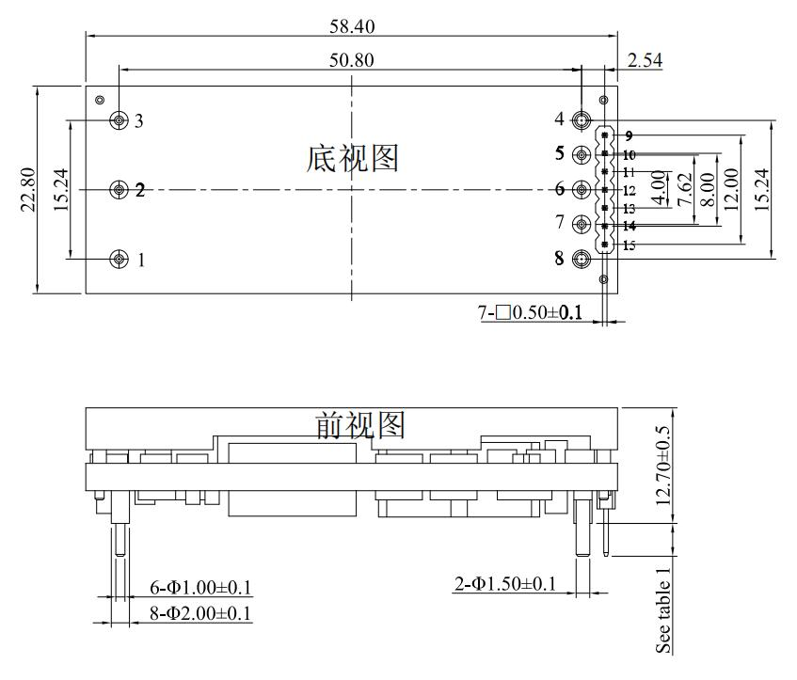
 | ZYDE200-48S05 | 36-75Vdc | 5V |  | 200W | 1/8brick | 91.00%
 | ZYDE400-48S12 | 36-75Vdc | 12V |  | 400W | 1/8brick | 95%
 | ZYDE75-48S05 | 36~75VDC | 5V |  | 75W | 1/8brick | 92%
 | ZYDE100-48S05 | 36~75VDC | 5V |  | 100W | 1/8brick | 92%
 | ZYDE120-48S05 | 36~75VDC | 5V |  | 120W | 1/8brick | 91%
 | ZYDE150-48S05 | 36~75VDC | 5V |  | 150W | 1/8brick | 92%
 | ZYDE200-48S** | 36~75VDC | 5~12V |  | 200W | 1/8brick | 93%
 | ZYDE240-48S12 | 36~75VDC | 12V |  | 240W | 1/8brick | 93%
 | ZYDE300-48S** | 36~75VDC | 12~28V |  | 300W | 1/8brick | 95%
 | ZYDE400-48S12 | 36~75VDC | 12V |  | 400W | 1/8brick | 95%
DC-DC 1*1 series | ZYDZ15-24S** | 9~36VDC | 3.3~12V |  | 15W | 1/8brick | 81% | • Wide input signal range •High conversion efficiency •Input undervoltage protection •Overcurrent and short circuit protection •Overheating protection •Input and output isolation •Integrated PCB mounting •Metal bottom plate, fully enclosed housing | 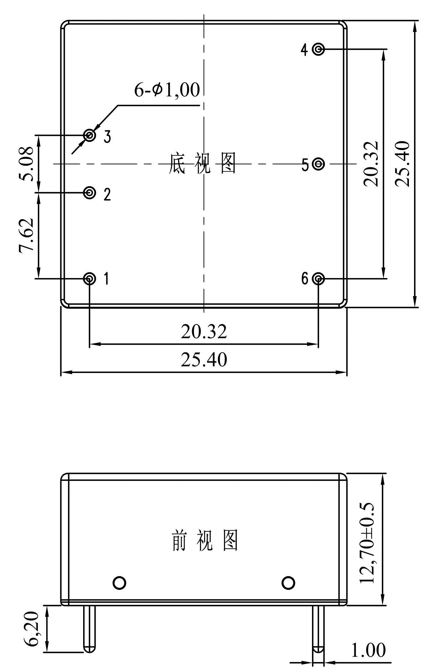 | 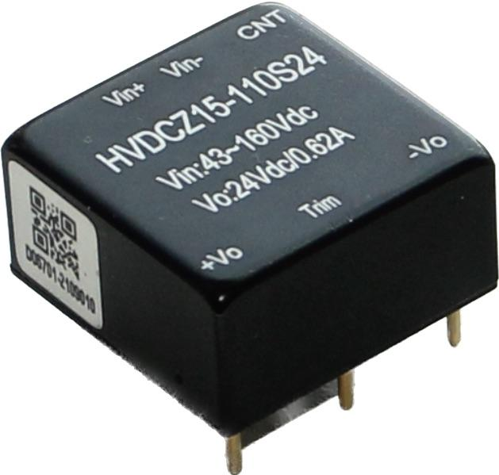
 | ZYDZ15-110S** | 43~160VDC | 15~48V |  | 15W | 1/8brick | 84%
 | ZYDZ10-24S05 | 18-36V | 5V |  | 10W | 1"x1" | 81%
 | ZYDZ10-24S12 | 18-36V | 12V |  | 10W | 1"x1" | 81%
 | ZYDZ10-24S15 | 18-36V | 15V |  | 10W | 1"x1" | 81%
 | ZYDZ10-24S24 | 18-36V | 24V |  | 10W | 1"x1" | 81%
 | ZYDZ15-24S05 | 18-36V | 5V |  | 15W | 1"x1" | 81%
 | ZYDZ15-24S12 | 18-36V | 12V |  | 15W | 1"x1" | 81%
 | ZYDZ15-24S15 | 18-36V | 15V |  | 15W | 1"x1" | 81%
 | ZYDZ15-24S24 | 18-36V | 24V |  | 15W | 1"x1" | 84%
 | ZYDZ15-110S05 | 43-160V | 5V |  | 15W | 1"x1" | 84%
 | ZYDZ15-110S12 | 43-160V | 12V |  | 15W | 1"x1" | 84%
 | ZYDZ15-110S15 | 43-160V | 15V |  | 15W | 1"x1" | 84%
 | ZYDZ15-110S24 | 43-160V | 24V |  | 15W | 1"x1" | 84%
DC-DC 2*1 series | ZYDX15-48S05D | 18-75V | 5V |  | 15W | 2"x1"(Narrow angle of inclination) | 85% | • Wide input signal range •High conversion efficiency •Input undervoltage protection •Overcurrent and short circuit protection •Overheating protection •Input and output isolation •Integrated PCB mounting •Metal bottom plate, fully enclosed housing | 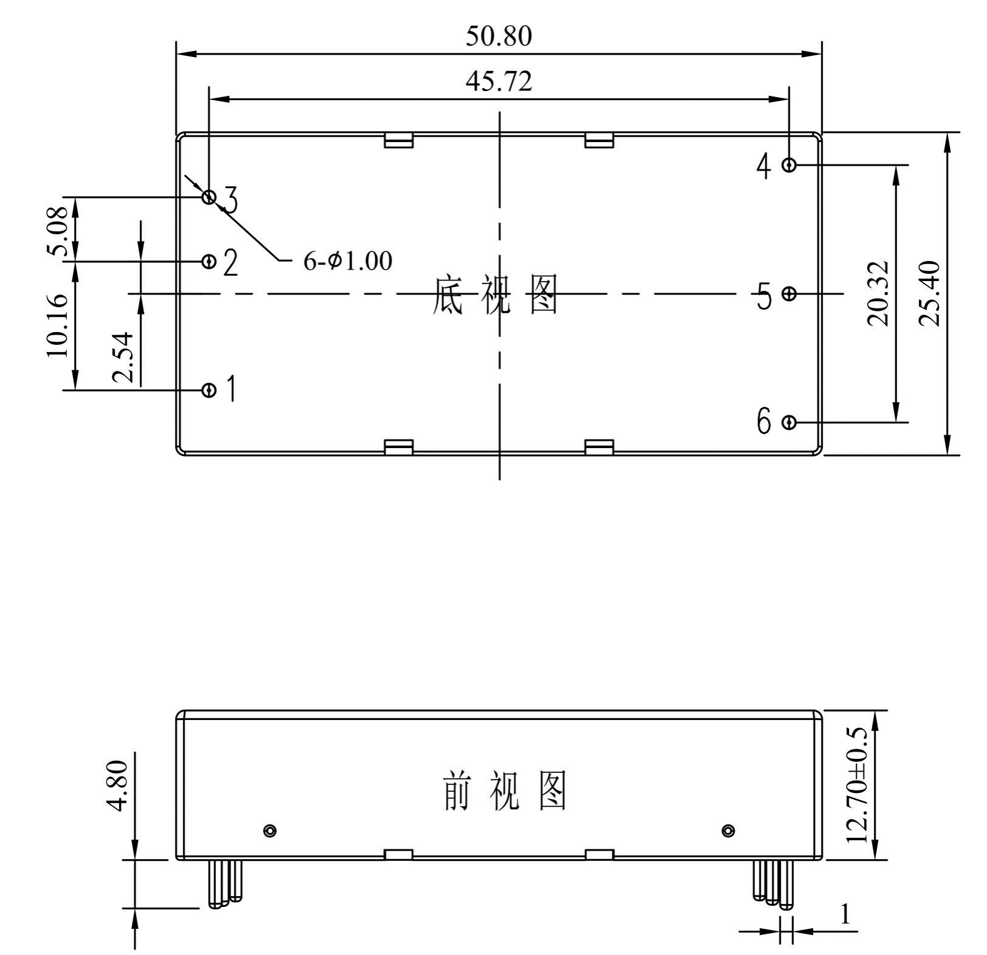 | 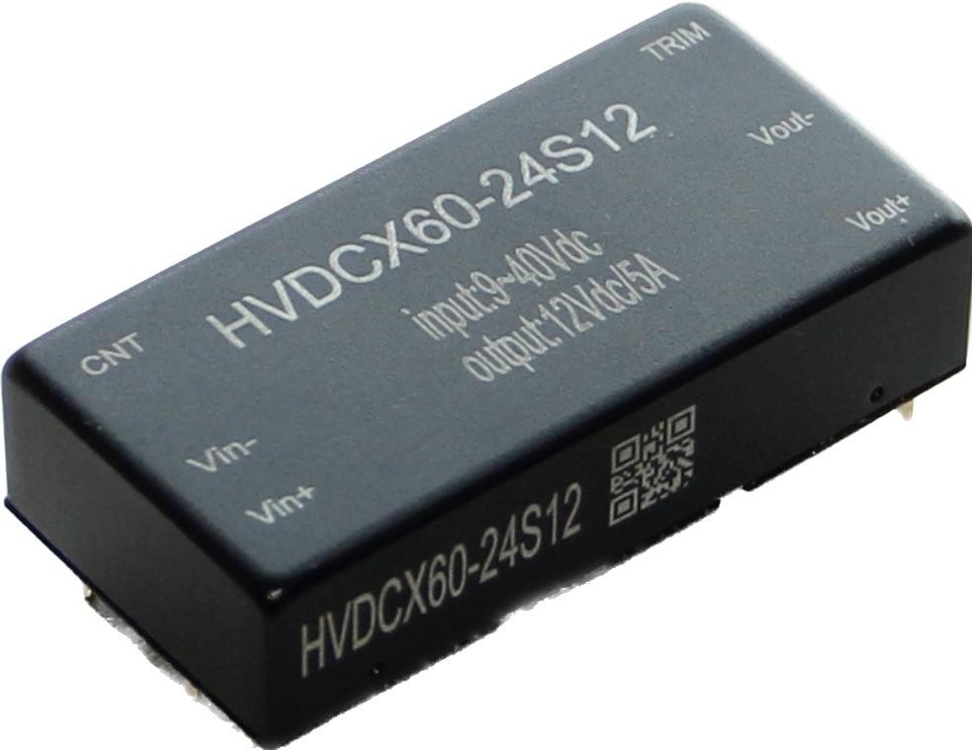
 | ZYDX15-110S05 | 43-160V | 5V |  | 15W | 2"x1"(Narrow angle of inclination) | 83%
 | ZYDX15-110S12 | 43-160V | 12V |  | 15W | 2"x1"(Narrow angle of inclination) | 85%
 | ZYDX40-12S28 | 9-36V | 28V |  | 40W | 2"x1"(wide tilt angle) | 88%
 | ZYDX60-24S05 | 9-36V | 5V |  | 60W | 2"x1"(wide tilt angle) | 87%
 | ZYDX60-24S12 | 18-36V | 12V |  | 60W | 2"x1"(wide tilt angle) | 88%
 | ZYDX60-24S24 | 18-36V | 24V |  | 60W | 2"x1"(wide tilt angle) | 87%
 | ZYDX60-24S36 | 18-36V | 36V |  | 60W | 2"x1"(wide tilt angle) | 87%
 | ZYDX60-24S48 | 18-36V | 48V |  | 60W | 2"x1"(wide tilt angle) | 87%
 | ZYDX60-48S48 | 36-75V | 48V |  | 60W | 2"x1"(wide tilt angle) | 87%
 | ZYDX60-110S03 | 43-160V | 3.3V |  | 60W | 2"x1"(wide tilt angle) | 86%
 | ZYDX60-110S05 | 43-160V | 5V |  | 60W | 2"x1"(wide tilt angle) | 86%
 | ZYDX60-110S12 | 43-160V | 12V |  | 60W | 2"x1"(wide tilt angle) | 87%
 | ZYDX60-110S15 | 43-160V | 15V |  | 60W | 2"x1"(wide tilt angle) | 87%
 | ZYDX60-110S24 | 43-160V | 24V |  | 60W | 2"x1"(wide tilt angle) | 87%
 | ZYDX60-110S36 | 43-160V | 36V |  | 60W | 2"x1"(wide tilt angle) | 86%
 | ZYDX60-110S48 | 43-160V | 48V |  | 60W | 2"x1"(wide tilt angle) | 89%
 | ZYDX40-12S28A | 9~36VDC | ±28V |  | 40W | 2"x1"(wide tilt angle) | 88%
 | ZYDX40-24D** | 9~40VDC | ±12~36V |  | 40W | 2"x1"(wide tilt angle) | 88%
 | ZYDX40-110D** | 43~160VDC | ±12~15V |  | 40W | 2"x1"(wide tilt angle) | 88%
 | ZYDX15-24S** | 9~36VDC | 5~12V |  | 15W | 2"x1"(Narrow angle of inclination) | 86%
 | ZYDX15-48S** | 18~75VDC | 5~12V |  | 15W | 2"x1"(Narrow angle of inclination) | 86%
 | ZYDX15-110S** | 18~160VDC | 5~12V |  | 15W | 2"x1"(Narrow angle of inclination) | 85%
 | ZYDX20-110S24 | 43~160VDC | 24V |  | 20W | 2"x1"(Narrow angle of inclination) | 86%
AC-DC 4*2 without without housing | ZYAD100-220S12 | 90~264VAC | 12V |  | 100W | 4"×2" | 89% | • Wide input signal range •High conversion efficiency •Input undervoltage protection •Overcurrent and short circuit protection •Overheating protection •Input and output isolation •Integrated PCB mounting •Metal bottom plate, fully enclosed housing | 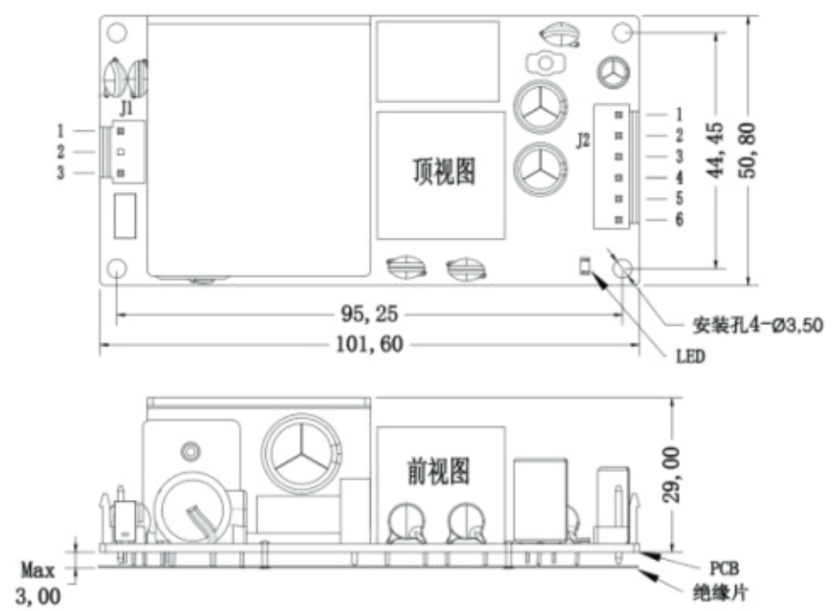 | 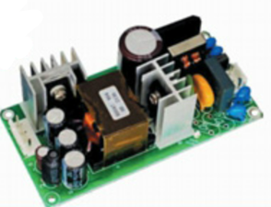
 | ZYAD100-220S15 | 90~264VAC | 15V |  | 100W | 4"×2" | 89%
 | ZYAD100-220S24 | 90~264VAC | 24V |  | 100W | 4"×2" | 90%
 | ZYAD100-220S28 | 90~264VAC | 28V |  | 100W | 4"×2" | 90%
 | ZYAD100-220S48 | 90~264VAC | 48V |  | 100W | 4"×2" | 91%
 | ZYAD225-220S12 | 90~264VAC | 12V |  | 225W | 4"×2" | 92%
 | ZYAD225-220S15 | 90~264VAC | 15V |  | 225W | 4"×2" | 93%
 | ZYAD225-220S24 | 90~264VAC | 24V |  | 225W | 4"×2" | 94%
 | ZYAD225-220S28 | 90~264VAC | 28V |  | 225W | 4"×2" | 94%
 | ZYAD225-220S48 | 90~264VAC | 48V |  | 225W | 4"×2" | 94%
AC-DC 1/2brick series | ZYAH200-220S12 | 90~264VAC | 12V |  | 200W | 1/2brick | 85% | Wide input range High conversion efficiency Input undervoltage protection Overcurrent, short circuit protection Overheating protection Input and output isolation Integrated PCB installation Metal bottom plate, fully enclosed body Remote control and remote compensation, output voltage regulation | 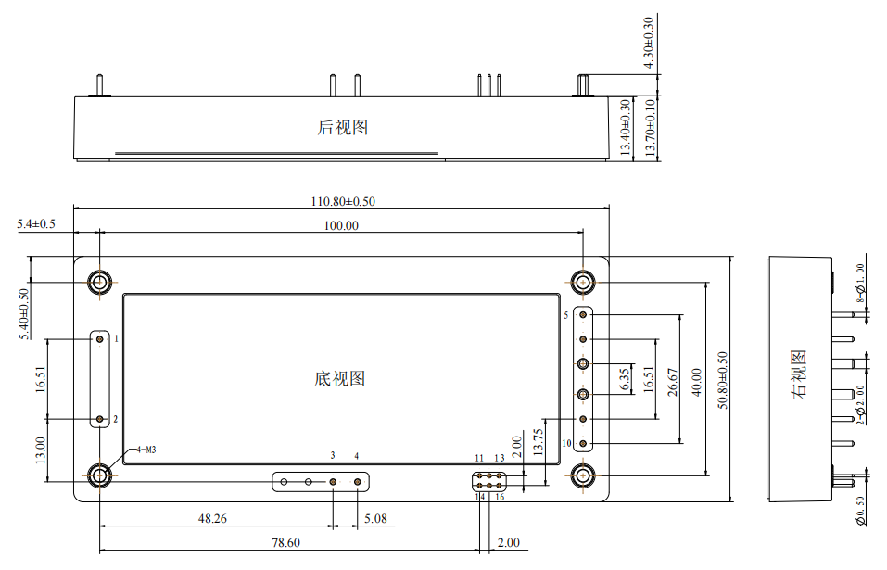
 | ZYAH200-220S15 | 90~264VAC | 15V |  | 200W | 1/2brick | 85%
 | ZYAH200-220S24 | 90~264VAC | 24V |  | 200W | 1/2brick | 86%
 | ZYAH200-220S28 | 90~264VAC | 28V |  | 200W | 1/2brick | 86%
 | ZYAH200-220S48 | 90~264VAC | 48V |  | 200W | 1/2brick | 86%
 | ZYAH300-220S12 | 90~264VAC | 12V |  | 300W | 1/2brick | 86%
 | ZYAH350-220S24 | 90~264VAC | 24V |  | 350W | 1/2brick | 86%
 | ZYAH350-220S48 | 90~264VAC | 48V |  | 350W | 1/2brick | 86%
AC-DC brick series | ZYAF510-220S12 | 90~264VAC | 12V |  | 510W | brick | 91% | Wide input range High conversion efficiency Input undervoltage protection Overcurrent, short circuit protection Overheating protection Input and output isolation Integrated PCB installation Metal bottom plate, fully enclosed body Remote control and remote compensation, output voltage regulation | 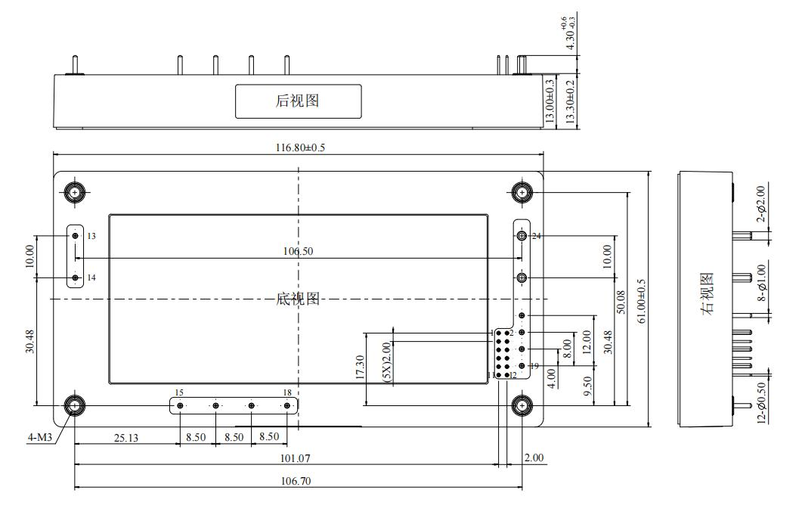 | 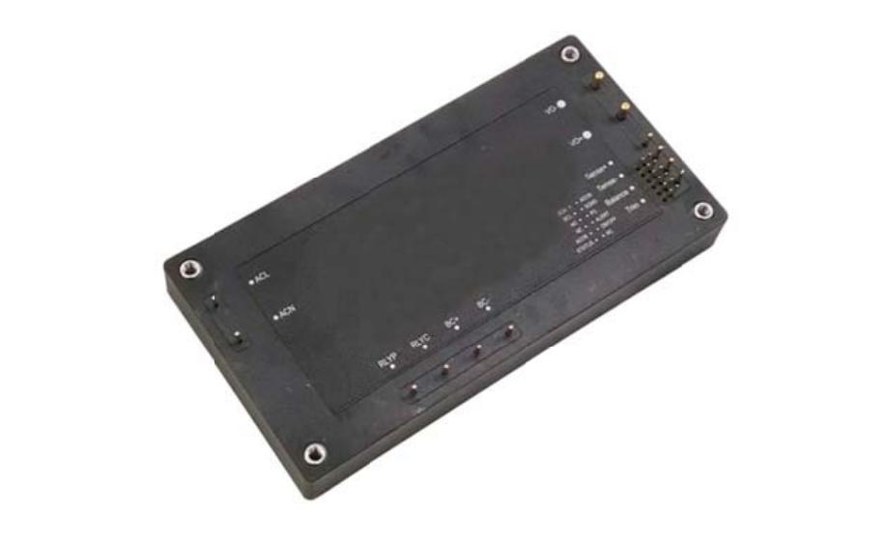
 | ZYAF510-220S2 | 90~264VAC | 24V |  | 510W | brick | 92%
 | ZYAF510-220S30 | 90~264VAC | 30V |  | 510W | brick | 92%
 | ZYAF510-220S48 | 90~264VAC | 48V |  | 510W | brick | 92%
 | ZYAF700-220S12 | 90~264VAC | 12V |  | 700W | brick | 92%
 | ZYAF700-220S24 | 90~264VAC | 24V |  | 700W | brick | 92%
 | ZYAF700-220S48 | 90~264VAC | 48V |  | 700W | brick | 92%
AC-DC F series | ZYAF1000-220S28 | 100-240Vac | 28V |  | 1000W | 116.8x61.0x13.3 | 91% | • Wide input signal range • High conversion efficiency * Input undervoltage protection • Overcurrent and short circuit protection • Overheating protection • Input and output isolation • Integrated PCB mounting • Metal bottom plate, fully enclosed housing
 | ZYAF1000-220S48 | 85-265Vac | 48V |  | 1000W | 116.8x61.0x13.3 | 91%
AC-DC H series | ZYAH500-220S12 | 85-265Vac | 12V |  | 500W | 110.8x50.8x13.7mm | 92%
 | ZYAH500-220S28 | 85-265Vac | 28V |  | 500W | 110.8x50.8x13.7mm | 92%
AC-DC quick install | ZYAV200-220S24 | 165-265V | 24V |  | 200W | EOL |  | •Natural cooling and heat dissipation •Output power 100-800 W •Module terminal type •Hexagonal metal shield •Easy installation
 | ZYAV300-220S48 | 165-265V | 48V |  | 300W | EOL
 | ZYAV500-220S48 | 165-265V | 48V |  | 500W | EOL
 | ZYAV800-220S48 | 165-265V | 48V |  | 800W | EOL
DC-DC quick install | ZYDV100-24S05 | 18-36V | 5V |  | 100W | EOL |  | •Natural cooling and heat dissipation • Output power 100-500 W • Hexagonal metal shield •Module terminal type •Easy installation • Small size |  | 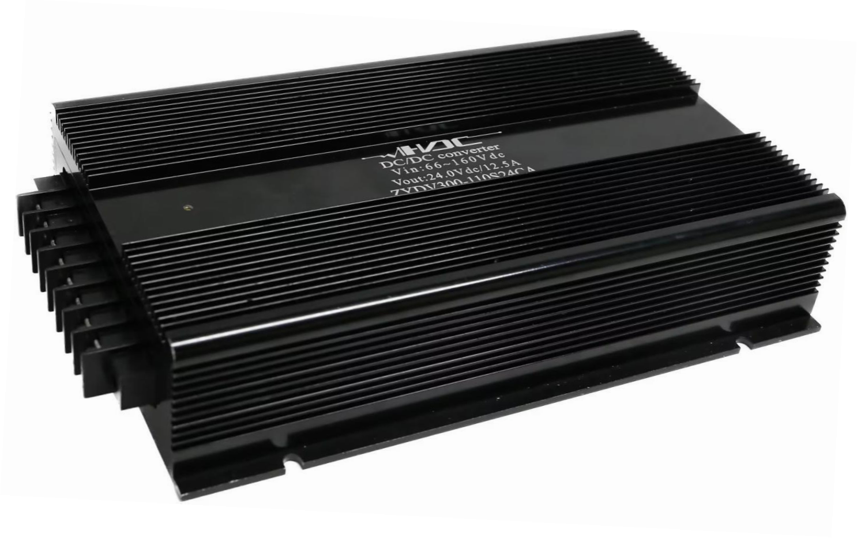
 | ZYDV100-24S24 | 9-36V | 24V |  | 100W | EOL
 | ZYDV100-48S12 | 36-75V | 12V |  | 100W | EOL
 | ZYDV200-24S12 | 18-36V | 12V |  | 200W | EOL
 | ZYDV300-48S24 | 36-75V | 24V |  | 300W | EOL
 | ZYDV500-24S24 | 18-36V | 24V |  | 500W | EOL
liquid cooled power supply | ZYAV2000W | 360-400V | 12V |  | 2000W | 292x155x40.5 |  | •High voltage DC input •Conversion efficiency *Input undervoltage protection •Over-current and short-circuit protection •Over-temperature protection •Input and output isolation •Support heat dissipation from water-cooled fins *Metal base, fully enclosed case
 | ZYAV2500W | 360-400V | 12V |  | 2500W | 410x155x40
 | ZYAV3000W | 360-400V | 12V |  | 3000W | 410x155x40
DC and AC in one power supply | HP300-220M53V312 | 165Vac～265Vac18-36Vdc | +5V/30A;+12V/4A;+3.3V/16 A;-12V/1A |  | 250W | 350*95*45 | 82% | ATX Power Supply AC/DC Dual Input Power Supply • Internal sealing, anti-vibration, moisture-proof, high efficiency • High reliability • Output overcurrent and output short circuit protection • Input and output isolation * Modular design • Working ambient temperature: 40℃ ~ +55℃
 | EPC153-2 | 165Vac～265Vac18-36Vdc | +5V/4A |  | 20W | 125*70*25 | 82%
1500W charger | EPC153-2 | 165Vac～265Vac18-36Vdc | 30V input adjustable |  | 1500W |  |  | Single-phase AC input, single constant current output Charge • Maximum charging current 50A • High power factor and high efficiency * Input overvoltage and output overload protection function able • Intelligent temperature control circuit • CAN bus communication, trickle current, constant current、 Three constant voltage charging modes • Portable design
24V emergency power supply | YJDY24BC01 | 220Vac | 20-30V |  | 3500A |  |  | 防淋雨设计 • 交流220V输入，20V～30Vdc输 出最大峰值电流≥3500A • 启动次数： 以启动588kW发机 机为例，环境温度+50℃情况 下启动38次；环境温度-40℃情 况下启动32次 • -40℃情况下，恒流20A放电， 持续时间1h42min • 常温充电时间50min；-40℃充 电时间1h20min • 适用于应急启动采用24V直流启 动的陆军装备 40℃~+55℃ 启动次数：38次 Непромокаемая конструкция * Вход переменного тока 220 В, выход 20 В ~ 30 В постоянного тока Максимальный пиковый ток ≥3500A • Количество запусков: для запуска генератора мощностью 588 кВт Возьмем, к примеру, машину, температура окружающей среды в которой составляет +50℃ Запустите 38 раз; температура окружающей среды -40℃. В этом случае начните 32 раза • При температуре -40℃, постоянный ток разряда 20А， Продолжительность 1 час 42 минуты • Время зарядки при комнатной температуре составляет 50 минут; зарядка при температуре -40℃ Время включения 1 час 20 минут • Подходит для аварийного запуска при напряжении 24 В постоянного тока. Динамичное армейское снаряжение 40℃~+55℃ Количество запусков: 38 раз
power supply for telecom | EPC600-48T3M | 48Vdc | 28V/8A/150mV 12V/20A/120mV |  |  | Φ252*52mm | 90%
 | EPC1K-220S48 | 220Vac | 48V/20A/150mV |  | 1000W | 266*120*60mm | 91%
Power filter | ESL220-3AW | 220Vac | 3A |  |  | 70*33*29 |  | • Military power filter • According to CE102 conductivity in GJB151A and GJB152A Development of startup requirements * Solve the electromagnetic interference problem of switching power supplies and inverters • Excellent performance of common mode and differential mode insertion loss • Excellent low frequency performance • Internal potting, anti-vibration, moisture-proof • Can be designed based on different insertion loss, working current and voltage、 Customized requirements for structure size and terminal connection method • Working shell temperature range: -40 ℃ ~ +105 ℃ |  | 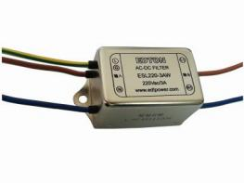
 | ESL220-6AT | 220Vac | 6A |  |  | 75*51*29
 | EFT220-4BW | 220Vac | 4A |  |  | 40*50*21
 | EFL50H-5A | 50Vdc | 5A |  |  | 70*33*29
 | EFL50H-10A | 50Vdc | 10A |  |  | 70*33*29
rectifier | ZYR4850H-1U | 90-300Vac/18A | 42-58Vdc |  | 2900W | L281×W105×H40. | 90%+ | • Universal AC input voltage range (90VAC-300VAC), output voltage: 42-58VDC • Operating temperature range -40℃ ~ +75℃ • Active load sharing *Advanced internal control
 | ZYR4875H-1U | 90-300Vac/25A | 42-58Vdc |  | 4000W | L281×W105×H40. | 90%+
 | ZYHTP48400H9C1D1 | 90-300Vac | 42-58Vdc/400A |  | 24000W | L389.1×W482.6×H394.3 |  | •Wide single-phase input range (90VAC-300VAC) •Rectifier module operating temperature: -40°C to +75°C •High power density •THD:≤5% •Intelligent control device •RoHS compliant •TCP/IP, RS232/RS485 communication | 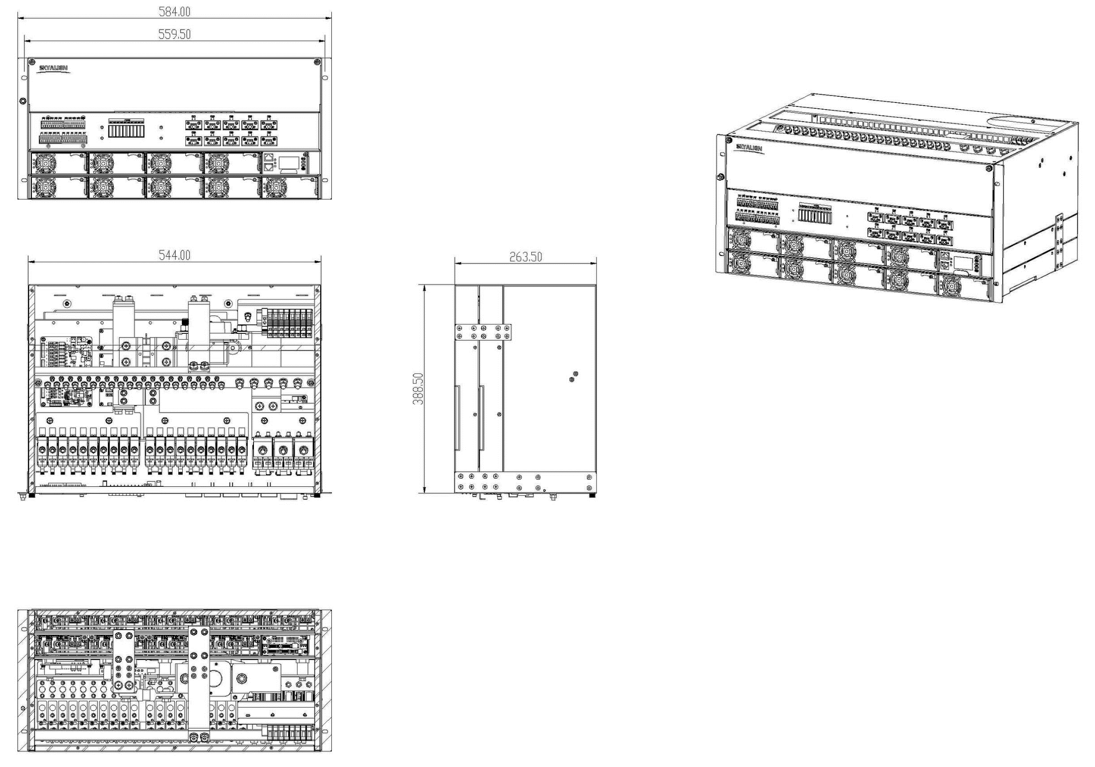 | 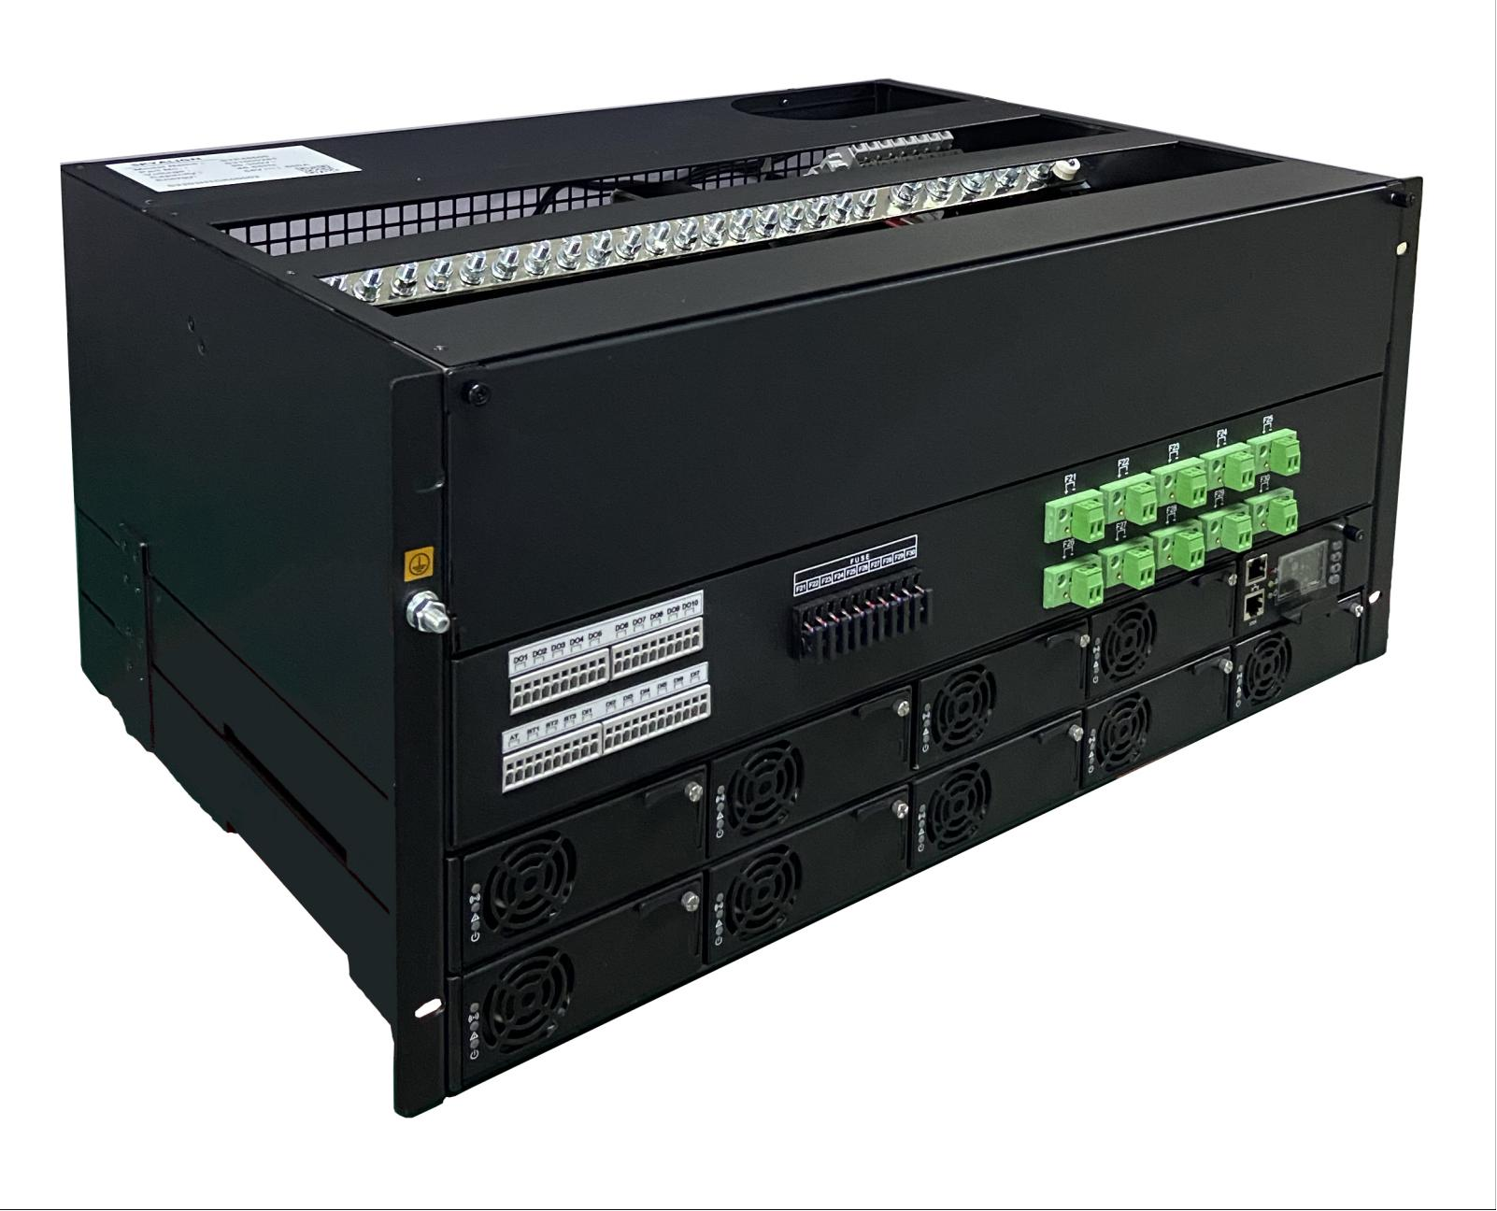
 | ZYTP48400H7C1D1 | 90-300Vac | 42-58Vdc/400A |  | 24000W | L450.0×W482.6×H390.0
 | ZYTP48150H3C1D2 | 90-300Vac | 42-58Vdc/150A |  | 8700W | L350.0×W482.6×H132.0
 | ZYTP48350H4C1D1 | 90-300Vac | 42-58Vdc/350A |  | 20000W | L350.0×W482.6×H177.0
 | ZYTP48600 | 90-300Vac | 42-58Vdc/600A |  | 35000W | L388.5×W584×H263.5
 | ZYTP48200H5C1D2 | 90-300Vac | 42-58Vdc/200A |  | 116000W | L330.0×W482.6×H218.0
power supply -19" 2U | EPC5K-220S48M | 220Vac |  |  | 5000W
 | EPC4K-220S36M | 220Vac |  |  | 4000W
 | EPC4K-220S48T | 220Vac | 48V/80A |  | 4000W | 482.6*450*88 | 92%
 | EPC4K-220S36T | 220Vac | 36V/110A |  | 4000W | 482.6*450*88 | 92%
power supply -19" 3U | EPC5K-380S48M | 380Vac |  |  | 5000W
 | EPC6K-380S48M | 380Vac |  |  | 6000W
power supply -19" 4U | EPC4K220M | AC input 220V | 220Vac |  | 2500W | 482.6*420*177
 |  | electrical panel input28V | 28Vdc |  | 500W
 |  | battery input24V
universal power supply -10 output | EPC500-6590A | AC input220V | 10output |  | 500W | 330*295*65 |  | • Waterproof design * Dual AC inputs: NETWORK and oil input • 10 outputs, modular design, dual redundancy Spare backup • Soft transfer technology • High power factor • High efficiency • Working ambient temperature: -40℃ ~ +55℃ * Electromagnetic compatibility: Comply with GJB151B-2013
 |  | Generator Output 220V
VRM series | BAX100-12-0V8-CTR | 9~15VDC | 0.5~1.2V |  | 42~600W | SMD | 90.50% | Non-isolated DC-DC converter Complies with IEC/UL/EN6268-1 Supports remote on/off Switching frequency up to 1100 kHz SMD packaging
 | BAX100-12-0V8-PWR | 9~15VDC | 0.5~1.2V |  | 42~600W | SMD | 90.50%
 | BAX80P54D6V7GSG | 40~60VDC | 5~7.5V |  | 450W | SMD | 97.60%
 | BAX80P54D13V5GSG | 40~60VDC | 10~15V |  | 1000W | SMD | 98.10%

performer | ivan wang | 89163870458 | WhatsApp

